Formula - single additive
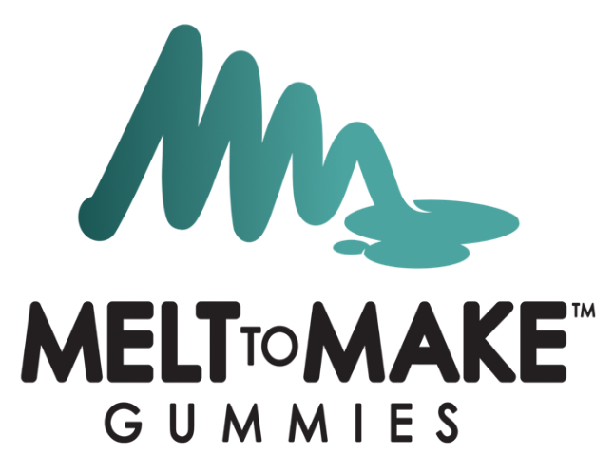

Melt-to-Make™ Gelatin Gummy Formula - SINGLE ADDITIVE

Type in the batch size, potency of your additive, the goal mg per gummy of your additive, and the weight of your gummy in the yellow cells.
Calculator
Formula Calculator | Data
Batch Size (grams) | 5000
%Potency of Additive | 80.00%
Goal mg Per Gummy of Additive | 25
Weight of Each Gummy (grams) | 2.6

Recipe
Ingredient | Percent of Formula | Amount to Add (grams) | Scale Tared? | Amount Added | Performed By | Verified By
Gelatin Gummy Pucks | 98.80% | 4939.90
Additive | 1.20% | 60.10
Total | 100.00% | 5000.00 |  | 0

Formula - two additives


Melt-to-Make™ Gelatin Gummy Formula - MULTIPLE ADDITIVES

Calculator
Formula Calculator
Batch Size (grams) | 2,000
Type in the batch size, potency of your additive, the goal mg per gummy of your additive, and the weight of your gummy in the yellow cells.
%Potency for Additive 1 | 89.00%
%Potency for Additive 2 | 88.00%
Goal mg Per Gummy of Additive 1 (mg) | 5.00
Goal mg Per Gummy of Additive 2 (mg） | 5.00
Weight of Each Gummy (grams) | 2.70

Ingredient | Percent of Formula | Amount to Add (grams) | Scale Tared? | Amount Added | Performed By | Verified By
Gelatin Gummy Pucks | 99.58% | 1991.63
Additive 1 | 0.21% | 4.16
Additive 2 | 0.21% | 4.21
Total | 100.00% | 2000.00

Formula - unflavored base
Melt-to-Make™ Gelatin Gummy Formula - UNFLAVORED BASE

Type in the batch size, potency of your additive, the goal mg per gummy of your additive, and the weight of your gummy in the yellow cells.
Calculator
Formula Calculator | Data
Batch Size (grams) | 10,000
%Potency of Additive | 80.00%
Goal mg Per Gummy of Additive | 0
Weight of Each Gummy (grams) | 2.6

Recipe
Ingredient | Percent of Formula | Amount to Add (grams) | Scale Tared? | Amount Added | Performed By | Verified By
Gelatin Gummy Pucks | 100.00% | 10000.00
Color additive | 0.00% | 0.00
Flavor additive | 0.00% | 0.00
Additive | 0.00% | 0.00
Total | 100.00% | 10000.00 |  | 0

