Formula - single additive
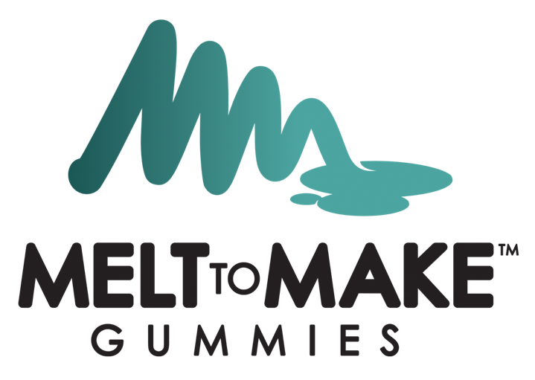

Melt-to-Make™ Pectin Gummy Formula - SINGLE ADDITIVE

Type in the batch size, potency of your additive, your goal mg per gummy of your additive and the weight of your gummy in the yellow cells.
Formula Calculator
Batch size (grams) | 3,000
%Potency for additive | 90.00%
Goal mg Per Gummy of additive | 5.00
Weight of Each Gummy (grams) | 2.70

Ingredient | Percent of Formula | Amount to add (grams) | Scale Tared? | Amount added | Performed By | Verified By
Part A (Pectin gummy mix) | 98.39% | 2951.83
Additive | 0.21% | 6.17
Part B (Acid Solution) | 1.40% | 42.00
Total | 100.00% | 3000.00

Formula - two additives
Melt-to-Make™ Pectin Gummy Formula - MULTIPLE ADDITIVES

Type in the batch size, potency of both of your additives, the goal mg per gummy of both of your additives and the weight of your gummy in the yellow cells.
Formula Calculator
Batch size (grams) | 2,000
%Potency for additive 1 | 89.00%
%Potency for additive 2 | 88.00%
Goal mg Per Gummy of Additive 1 (mg) | 5.00
Goal mg Per Gummy of Additive 2 (mg） | 5.00
Weight of Each Gummy (grams) | 2.70

Ingredient | Percent of Formula | Amount to add (grams) | Scale Tared? | Amount added | Performed By | Verified By
Part A (Pectin gummy mix) | 98.18% | 1963.63
Additive 1 | 0.21% | 4.16
Additive 2 | 0.21% | 4.21
Part B (Acid Solution) | 1.40% | 28.00
Total | 100.00% | 2000.00

Formula - unflavored base
Melt-to-Make™ Pectin Gummy Formula - UNFLAVORED BASE

Type in the batch size, potency of your additive, your goal mg per gummy of your additive and the weight of your gummy in the yellow cells. You will also need to type in the percent color and flavor you plan on adding.
Formula Calculator
Batch size (grams) | 5,000
%Potency for additive | 90.00%
Goal mg Per Gummy of additive
Weight of Each Gummy (grams) | 5.00

Ingredient | Percent of Formula | Amount to add (grams) | Scale Tared? | Amount added | Performed By | Verified By
Part A (Pectin gummy mix) | 98.60% | 4930.00
Additive | 0.00% | 0.00
Color additive |  | 0.00
Flavor additive |  | 0.00
Part B (Acid Solution) | 1.40% | 70.00
Total | 100.00% | 5000.00

